Blad1
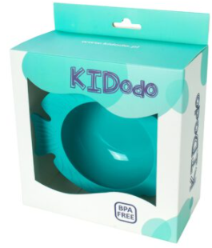
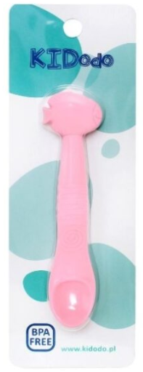
 | EAN | Article | Description | Colour | QTY | Retail
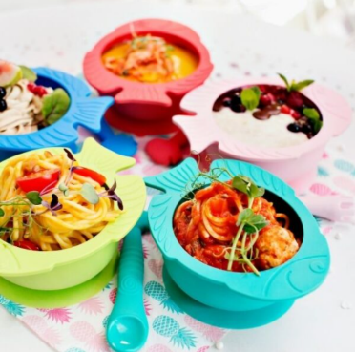 | 5901085052050 | FB3 | KIDodo - Silicone fish-shaped bowl | Blue | 140 | € 11.99
 | 5901085052067 | FB4 | KIDodo - Silicone fish-shaped bowl | Light Green | 90 | € 11.99
 | 5901085052043 | FB2 | KIDodo - Silicone fish-shaped bowl | Red | 80 | € 11.99
 | 5901085052036 | FB1 | KIDodo - Silicone fish-shaped bowl | Pink | 330 | € 11.99
 | 5901085052074 | FB5 | KIDodo - Silicone fish-shaped bowl | Dark Green | 310 | € 11.99
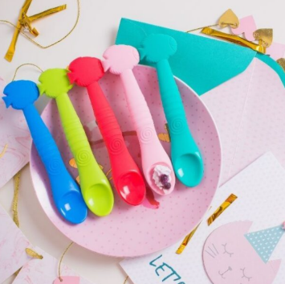 | 5901085052180 | FS3 | KIDodo - Silicone fish-shaped spoon | Blue | 55 | € 5.99
 | 5901085052173 | FS4 | KIDodo - Silicone fish-shaped spoon | Light Green | 25 | € 5.99
 | 5901085052197 | FS2 | KIDodo - Silicone fish-shaped spoon | Red | 25 | € 5.99
 | 5901085052159 | FS1 | KIDodo - Silicone fish-shaped spoon | Pink | 385 | € 5.99
 | 5901085052166 | FS5 | KIDodo - Silicone fish-shaped spoon | Dark Green | 160 | € 5.99
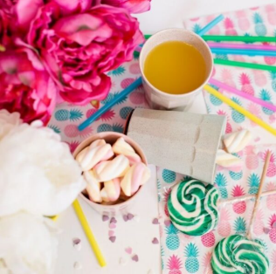 | 5901085052029 | UC3 | KIDodo - Untippable Cup | Beige | 320 | € 8.99
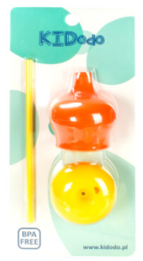
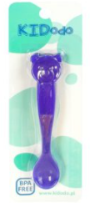
 | 5901085052012 | UC2 | KIDodo - Untippable Cup | Pink | 450 | € 8.99
 | 5901085052005 | UC1 | KIDodo - Untippable Cup | Mint | 450 | € 8.99
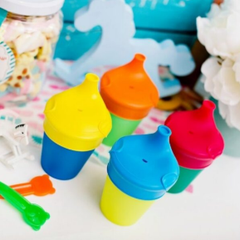 | 5901085052111 | SL1 | KIDodo - Set of silicone cup lids | Yellow/Blue | 375 | € 8.99
 | 5901085052128 | SL2 | KIDodo - Set of silicone cup lids | Blue/Red | 370 | € 8.99
 | 5901085052135 | SL3 | KIDodo - Set of silicone cup lids | Red/Yellow | 370 | € 8.99
 | 5901085052142 | SL4 | KIDodo - Set of silicone cup lids | Orange/Yellow | 365 | € 8.99
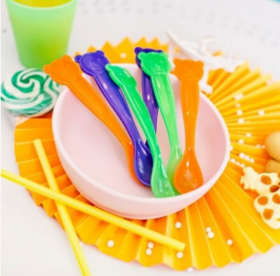 | 5901085052081 | BS1 | KIDodo - Bear-shaped colour-Changing Spoon | Green | 1150 | € 4.99
 | 5901085052098 | BS2 | KIDodo - Bear-shaped colour-Changing Spoon | Orange | 1190 | € 4.99
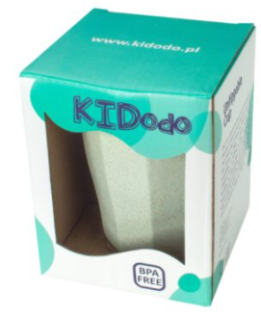
 | 5901085052104 | BS3 | KIDodo - Bear-shaped colour-Changing Spoon | Violet | 1074 | € 4.99
 |  |  |  |  | 7714

